Spring data
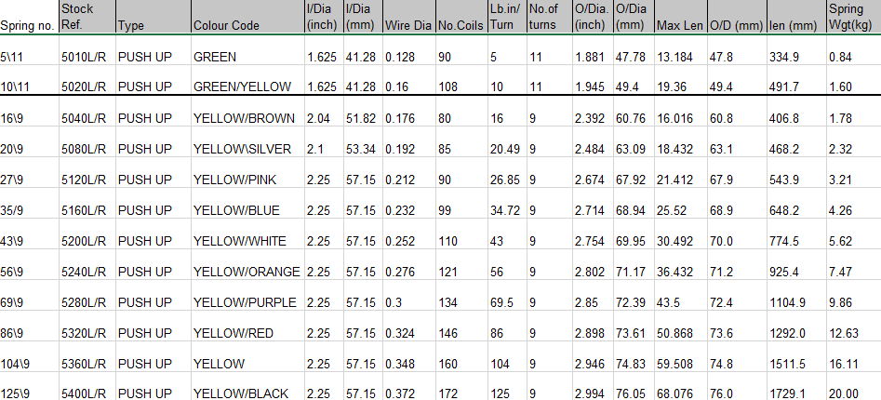
 |  | Lb in/turn | no turns | lift in nm | spring length | lift for door with 2 springs | spring length door

16\9 | Yellow/Brown | 16 | 9 | 16.26912 | 406.8 | 32.53824 | 813.6
20\9 | Yellow/Silver | 20.49 | 9 | 20.8346418 | 468.2 | 41.6692836 | 936.4
27\9 | Yellow pink | 20.85 | 9 | 21.200697 | 543.9 | 42.401394 | 1087.8
35\9 | Yellow blue | 34.72 | 9 | 35.3039904 | 648.2 | 70.6079808 | 1296.4
43\9 | Yellow white | 43 | 9 | 43.72326 | 774.5 | 87.44652 | 1549
56\9 | Yellow orange | 56 | 9 | 56.94192 | 925.4 | 113.88384 | 1850.8 | 406.8
69\9 | Yellow purple | 69.5 | 9 | 70.66899 | 1104.9 | 141.33798 | 2209.8 | 468.2
86\9 | Yellow red | 86 | 9 | 87.44652 | 1292 | 174.89304 | 2584 | 875
104\9 | Yellow | 104 | 9 | 105.74928 | 1511.5 | 211.49856 | 3023
125\9 | Yellow black | 121 | 9 | 123.03522 | 1729.1 | 246.07044 | 3458.2

SafetyB
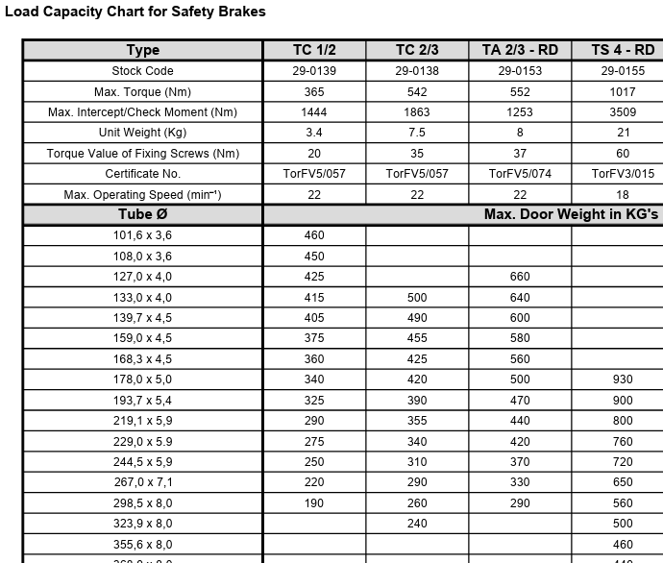
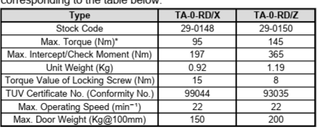
Name | Operating Torque (Nm) | Max Safety Torque (Nm) | Max Locking Speed (RPM) | Manufacture | Door max weight in kgs on 100mm axle | Driveshaft diameter mm | Stop distance | SB image | SWS stock code | Notes
RD80 | 95 | 545 | 22 | Timmer | 150 | 18s | 10
RD150 | 147 | 812 | 22 | Timmer | 200 | 18s | 10
TA 1/2 RD | 332 | 796 | 22 | Timmer | 460 | 30 | 10
TA 2/3 RD | 552 | 1253 | 22 | Timmer |  | 40 | 10
FG 80 -40 | 800 | 2330 | 24 | GFA |  | 40 | 10
FG 120 -50 | 1200 | 3530 | 24 | GFA |  | 50 | 10
FG 220 -60 | 2200 | 6691 | 15 | GFA |  | 60 | 10 |  |  | shaft type? Keyed type 2? What is that?
FG 360 - 80 | 3600 | 10260 | 15 | GFA |  | 80 | 10 |  |  | Out side our current scope required.
 |  |  |  |  |  |  |  |  |  |  | RSB-G | 130 | 276 | 22 | Ellard |  | 18s | 10
 |  |  |  |  |  |  |  |  |  |  | GDB 18 | 145 | 365 | 22 | Ellard | 200 | 18s | 10
 |  |  |  |  |  |  |  |  |  |  | RSB 1 / 2 (RSB1-30) | 332 | 1444 | 22 | Ellard | 460 | 30 | 10
 |  |  |  |  |  |  |  |  |  |  | RSB 2 / 3 (RSB1-40) | 542 | 1863 | 22 | Ellard |  | 40 | 10
 |  |  |  |  |  |  |  |  |  |  | RSB 4 (PCM10A) | 1000 | 3560 | 12 | Ellard |  | 50 | 10

Wind class
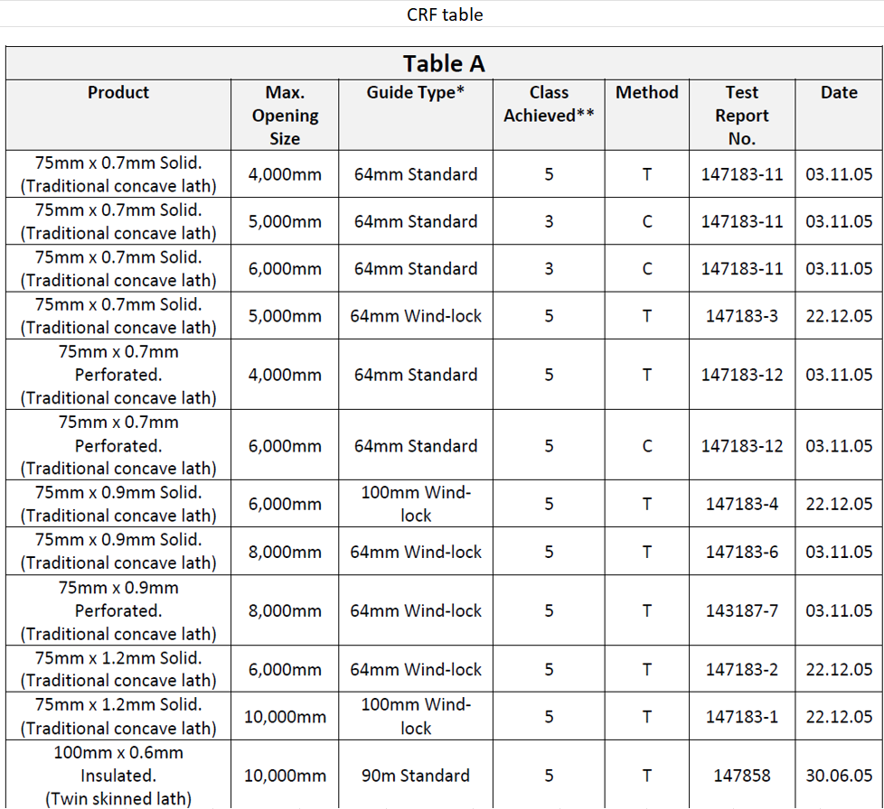
Lath | Manufacturer | Guide | Width | Angle thickness | Class

75mm 22g | CRF | 65 | 4000 | 3 | 5
75mm 22g | CRF | 65 wind | 5000 | ? | 5
75mm 22g perf | CRF | 65 | 4000 | 3 | 5
75mm 20g | CRF | 65 wind | 6000 | ? | 5
75mm 20g | CRF | 65 wind | 8000 | 6 | 5
75mm 20g | CRF | 65 wind | 10000 | 6 | 3

75mm 18g | CRF | 100 wind | 10000 | 6 | 5
75mm 18g | CRF | 100 wind | 12000 | 6 | 3

100mm | CRF | 90mm | 10000 | 6 | 5

75mm 22g | West Mercia | 65 | 4600 | 3 | 2
75mm 22g | West Mercia | 65 wind | 6100 | 3 | 5
75mm 20g | West Mercia | 100 wind | 8000 | 5 | 5

